1. Title Page
[Instacart Grocery Basket Analysis]

Project Name: Instacart Grocery Basket Analysis
Date: 11/22/2022
Analyst Name: Martha N

Contents:
Population Flow
Consistency checks
Wrangling steps
Column derivations
Visualizations
Recommendations

2. Population Flow
Title page

Population flow

Exclusion flag
Condition: max_order <
Obervations to be removed:
Final total count of order_products_all: 30964564

Orders_products_combined
Orders_products_merged
Orders_products_all

Total: 32404859
Total:32434489
Total: 30964564

1.) The grey boxes in the first row of the population flow represent the original data sets as they were when you downloaded them. In the Total fields you need to add the count of the rows when you imported the data set into Jupyter.
2.) The second row of boxes (coloured) represents the data sets after you manipulated them, e.g., removed missing values and duplicates. In the Total fields you need to add the count of the rows after conducting these operations. This offers a visual oveview of how the data flows throughout the data consistency checks.
3.) The third row, where also the arrows are coloured, represents the merges you performed between the datasets. In the Total fields you need to add the count of the rows in the merged datasets, so that you end up with the final dataset (in the red box). Keep in mind the final dataset should be without exclusions (based on the exclusion flag).

3. Consistency checks
 |  |  |  | Title page
Consistency checks

Dataset | Missing values | Missing values treatment | Duplicates
orders | 206,209 | impute median value | 0
products | 16 | excluding from dataframe | 5
orders_products_prior | 0 | 0 | 0
customers | 0 | 0 | 0

4. Wrangling steps
 |  |  |  | Title page
Wrangling steps

Columns dropped | Columns renamed | Columns' type changed | Comment/Reason
eval_set |  |  | Not required
 |  | order_id' | changed to string - to avoid calculating descriptive statistics
 | order_dow |  | obscure name - changed to 'orders_day_of_week'
 |  | 'user_id' | changed to string - to avoid calculating descriptive statistics
 |  | first_name' | mixed- changed to string - to avoid calculating descriptive statistics
first_name' |  |  | PII
last_name' |  |  | PII

5. Column derivations
 |  |  |  | Title page

Column derivations and aggregations

In this tab you should add tables below that the frequences of flags/label variables that you produced after deriving them. NB: don't do this for continuous variables, only for flags.
Dataset | New column | Column/s it was derived from | Conditions
Orders | busiest_period_of_day | orders_day_of_week | value == 0, value == 4
ords_prods_merge | loyalty_flag | max_order | max_order > 40, max_order <= 40 and max_order <= 10
ords_prods_merge | price_range_loc | prices | prices > 15, prices <= 15 & > 5, prices <= 5
ords_prods_merge | spending_flag | mean_prices | mean_prices < 10, mean_prices >= 10
ords_prods_merge | order_frequency_flag | median_days_since_prior_order | median_days_since_prior_order > 20, median_days_since_prior_order > 10 & <= 20 median_days_since_prior_order <=10
orders_products_customers | region | state | based on geographical location of the United State 'Northeast', 'Midwest', 'South' and 'West'
Instacart_final | customer_revenue_rate | max_order | max_order < 5 , max_order > 5
Instacart_final | family_status | no_of_dependants | 1 or more dependant
Instacart_final | age_group | age | 18-24 young adult 25-44 adult 45-64 middle aged 65-81 senior
Instacart_final | income_category | income | 25K - 38K - extremly low income 39K - 62K - very Low income 63K - 70K - low Income 71K - 85K - Median Income 86K - 99K - Moderate income 100K + - High income
Instacart_final | indicative_goods | department_ID | bulk goods or baby products

6. Visualizations
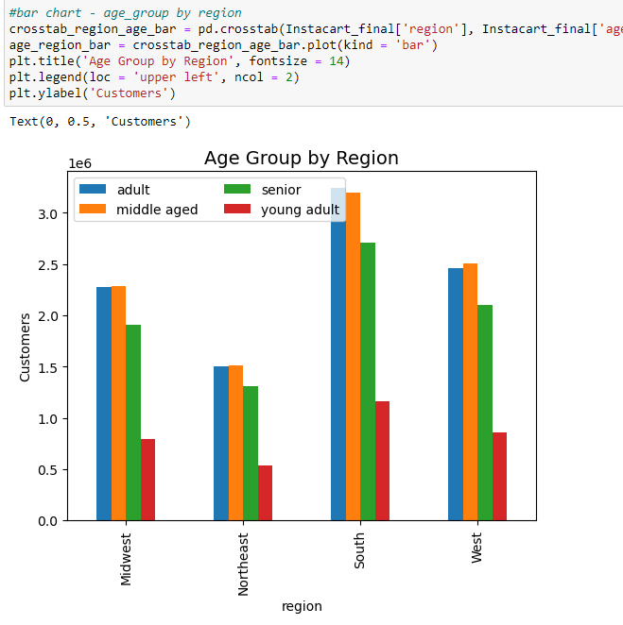
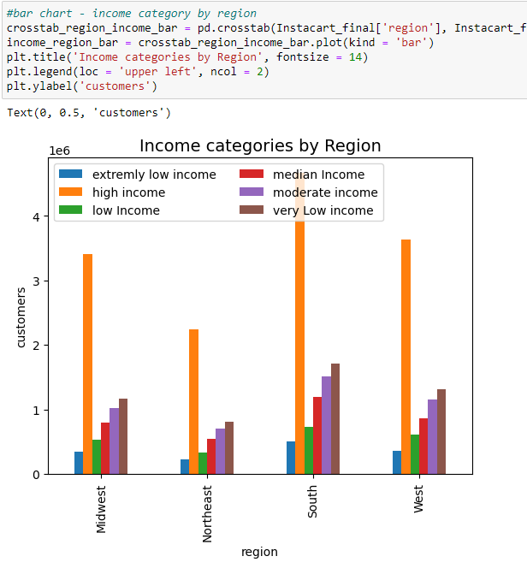
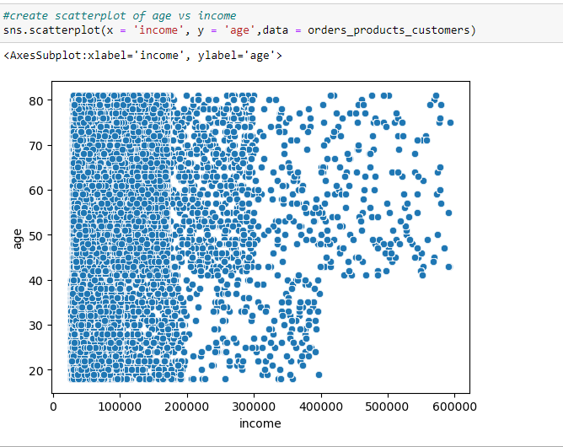
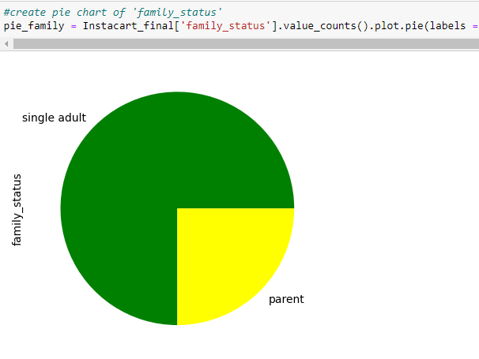
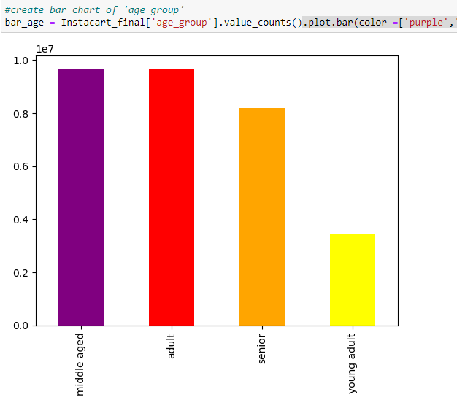
 | Title page

Visualisations

In this tab you should include all the visualtions from Exercises 4.9 and 4.10, alongside the questions from the project brief that they answer. Include any commentary on the relationship between different variables.

● The sales team needs to know what the busiest days of the week and hours of the day are (i.e., the days and times with the most orders) in order to schedule ads at times when there are fewer orders.

●They also want to know whether there are particular times of the day when people spend the most money, as this might inform the type of products they advertise at these times.

The highest number of orders submited around 2:30 and lowest is around 10:00. The early hours of day have higher spend amount
The busiest dats are Saturday, Sunday and Friday

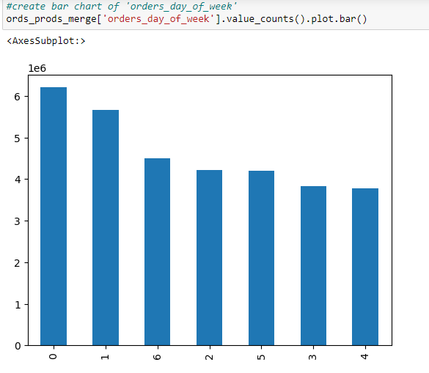

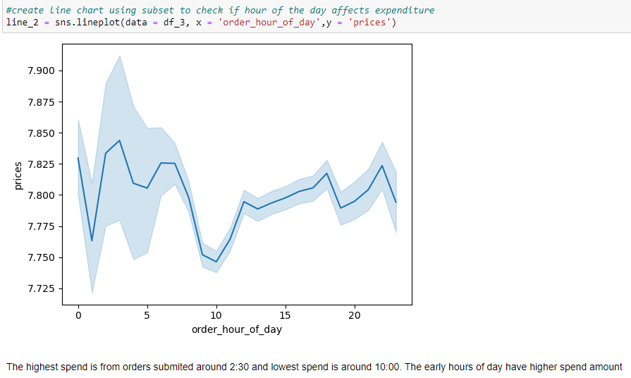

● Are there certain types of products that are more popular than others? The marketing and sales teams want to know which departments have the highest frequency of product orders

Most popular products - Produce, household and snacks

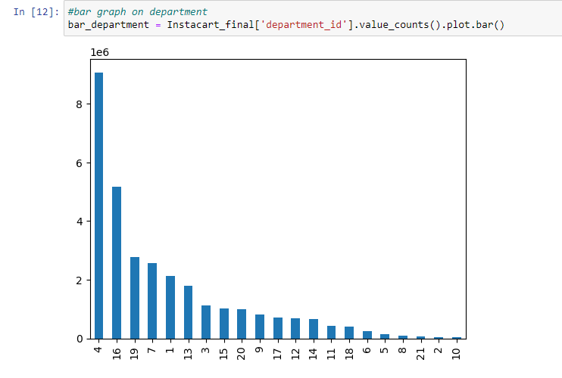

The marketing and sales teams are particularly interested in the different types of customers in their system and how their ordering behaviors differ. For example: ● What’s the distribution among users in regards to their brand loyalty (i.e., how often do they return to Instacart)? ● Are there differences in ordering habits based on a customer’s loyalty status? ● Are there differences in ordering habits based on a customer’s region? ● Is there a connection between age and family status in terms of ordering habits?

Regular customers have the highest return rate

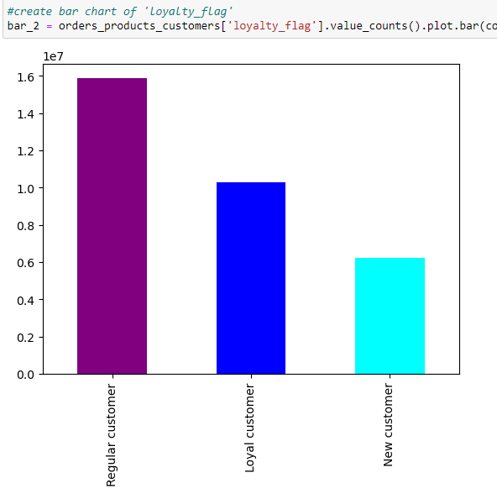

Most orders are from South region then West Region

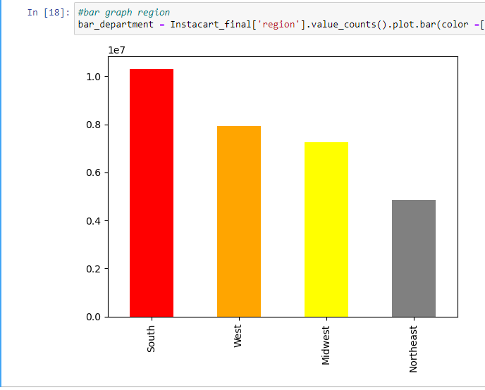

● What different classifications does the demographic information suggest? Age? Income? Certain types of goods? Family status?
●What differences can you find in ordering habits of different customer profiles? Consider the price of orders, the frequency of orders, the products customers are ordering, and anything else you can think of.

75% of the customers are single adults and 25% are single adults
Most customers are middle aged or adults
Customers in the South and the West regions have the highest income
Majority of the customers, across all ages have income between 100,000 - 200,000. Income of over 400,000 is only found in customers above age 40. This shows that income increases with age for Instacart customers

7. Recommendations
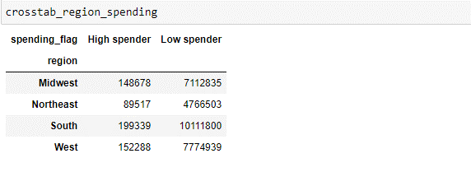
 | Title page

Recommendations

In this tab you should include any recommendations you would made to Instcart in terms of their marketing strategy based on the questions posed in the brief. Every key question has been covered in the Tasks of the Exercises - here you need to add an item - a visualisation or table/crosstable that is showing the answer in the data, acompanied by a comment from you. Please, list the questions below and add the answer underneath.

Question
●They also want to know whether there are particular times of the day when people spend the most money, as this might inform the type of products they advertise at these times.
Recommendation: Advertising be done around 2:30 . On Saturday, Sunday and Friday

● Are there certain types of products that are more popular than others? The marketing and sales teams want to know which departments have the highest frequency of product orders
Most popular products - Produce, household and snacks. Recommnde focusing on the slow moving products
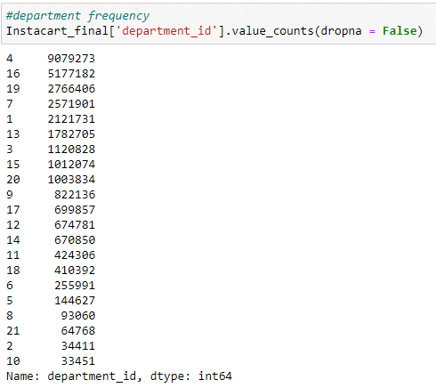

● The marketing and sales teams are particularly interested in the different types of customers in their system and how their ordering behaviors differ.

Most of the customers are single adults, advertising can be targeted to this demographic
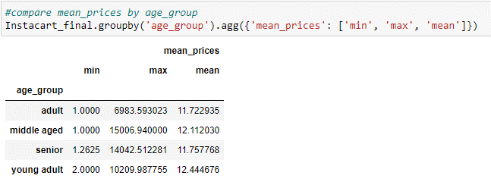

● Are there differences in ordering habits based on a customer’s region?

The Northwest has the lowest sales and therfore recommend focusing resources/ marketing and sales in this region

